Public Menu
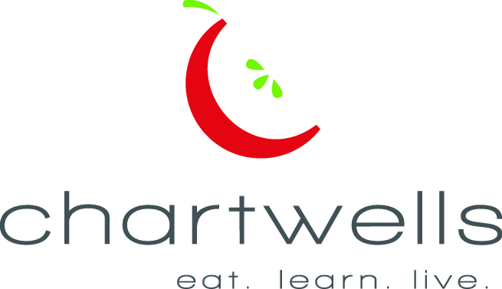
Lake Shore Elementary Lunch September 2016
Chartwells Dining at Lake Shore Public Schools

Student lunch $2.45 Reduced price $.40 Adult Meals $3.15
Due to product availability, menu is subject to change without notice
Student lunch includes a choice of entrée with protein and grain, two (2) vegetable side dishes, one (1) fruit side dish and milk choice. Milk choice inclurdes 1% low fat white milk and fat free chocolate or strawberry.
Watch for information from us regarding promotions and special events!
Monday | Tuesday | Wednesday | Thursday | Friday
 |  |  | 1 | 2

5 | 6 | 7 | 8 | 9
Labor Day!!! |  | WG Chicken Nuggets | Classic American | BBQ Chicken
 | HALF DAY | WG Breadstick | Cheeseburger | Drumstick
 | Breakfast available today | Garlic Parmesan | WG White Bun | WG Baked Biscuit
 | TODAY | Roasted Potatoes | Baked Tator Tots | Classic Baked Beans
 | and EVERYDAY!! | Pineapple Tidbits | Chilled Fruit Cocktail | Chilled Peaches
2nd Choice: Blueberry Muffin & Goldfish Lunch
12 | 13 | 14 | 15 | 16
Lake Shore Popcorn | WG Turkey Corn Dog | WG Spaghetti | WG Pancakes | Turkey Macho Nachos
Chicken Bowl | Baked Tator Tots | with Beef Sauce | Pork Sausage Patty | Lettuce & Tomato
WG Dinner Roll | Boston Baked Beans | WG Breadstick | Blueberry Topping | Salsa & Sour Cream
Chilled Pears | Applesauce | Savory Green Bean | Hashbrown Stars | Seasoned Pinto Beans
 |  | Pineapple Tidbits | Chilled Fruit Cocktail | Chilled Peaches
2nd Choice : Ham & Turkey Chef Salad
19 | 20 | LUCKY TRAY DAY! 21 | 22 | 23
BBQ Shredded Pork | Chicken Fajitas | Roasted Turkey w/ | WG French Toast Stix | WG Bosco Sticks
Sandwich | Soft Flour Tortillas | Gravy | Turkey Sausage Patties | Sauce for Dippin'
Seasoned Waffle Fries | Shredded Cheese | Garlic Mashed Potatoes | Hashbrown Starz | Roasted Broccoli
Cinamon Glazed Carrots | Black Bean Brownie | WG Dinner Roll | Strawberry Topping | Chilled Peaches
Chilled Pears | Applesauce | Pineapple Tidbits | Chilled Fruit Cocktail
2nd Choice : Bagel & Turkey Pepperoni Fun Lunch
26 | 27 | 28 | 29 | BIRTHDAY DAY 30
Turkey Macho Nachos | Perfect Sloppy Joe | Colby Cheese Omelet | Chili Cheese Turkey Dog | Italian Meatball Sub
Lettuce & Tomato | Seaoned Waffle Fries | Cinnamon Sugar | WG White Bun | Sweet Potato Fries
Salsa & Sour Cream | Seasoned Peas | Breadstick | Boston Baked Beans | Chilled Peaches
Southwest Black Beans | Applesauce | Warm Baked Apples | Baked Tator Tots | WG Choc Chip Cookie
Chilled Pears |  | Pineapple Tidbits | Chilled Fruit Cocktail
2nd Choice: Orange Crush Parfait with Granola

For full menu listings, nutritional & allergen information along with pictures please visit lakeshore.nutrislice.com and download the School Lunch app powered by Nutrislice!
Go to www.choosemyplate.gov for online personal wellness resources for you and your family
This institution is an equal opportunity provider

This Months Food Focus: Red and Orange Vegetables

Mix and match your colors – eat a variety of colorful fruits and vegetables every week!

Do you know why its important to eat more colorful vegetables??
The more color a vegetable has - the more vitamins and minerals it has!

These vegetables get their color from beta carotene, an antioxidant that the body converts to Vitamin A.
Vitamin A helps our vision, protects us from infections, and helps keep skin healthy!

This Month's Fruit and Vegetable Bar Featured Selections:
Monday | Tuesday | Wednesday | Thursday | Friday
Good Ol' Potato Salad | Asian Pinto Bean Salad | Fresh Cherry Tomatoes | Lettuce & Tomato Side Salad | Broccoli Ranch Salad w/ Carrots
Fresh Celery Sticks | Lettuce & Tomato Side Salad | Cowboy Caviar w/ a Citrus Twist | Marinated Cool Cucumbers | Fresh Baby Carrots
Chilled Pears | Chilled Applesauce | Pineapple Tidbits | Chilled Fruit Cocktail | Chilled Peaches
Fresh Red Apple | Fresh Orange | Fresh Pear | Fresh Banana | Fresh Green Apple

Chartwells Food and Nutrition Guidelines make it easier than ever for students to make healthy food
and beverage choices at school!!
OUR GUIDELINES:
*Provide more deeply colored, nutrient dense, and fiber rich fruits and vegetables, such as sweet potatoes,
spinach, peaches, broccoli, and beans
*Provide more whole grain foods, such as brown rice and whole wheat
*Encourage lean proteins including vegetarian and plant based
*Reduce unhealthy fats, sodium, and sugar
*Continue Chartwells’ dedication to earth and community friendly practices by serving hormone free milk, poultry
products without the routine use of antibiotics, sustainable seafood, cage free shell eggs, and locally grown produce
To learn more about Chartwells go to www.EatLearnLive.com

